UD Abdi Jaya (Bag, Cup, Box)
DATE | INV NO. | DESCRIPTIONS | AMOUNT | BILLS | PRICE | SUBTOTAL | TOTAL
16-Jan-2026 | 0481/JL/UTM/0126 | BLACK PLASTIC TRASH BAG 90X100 50 PCS | 9 | 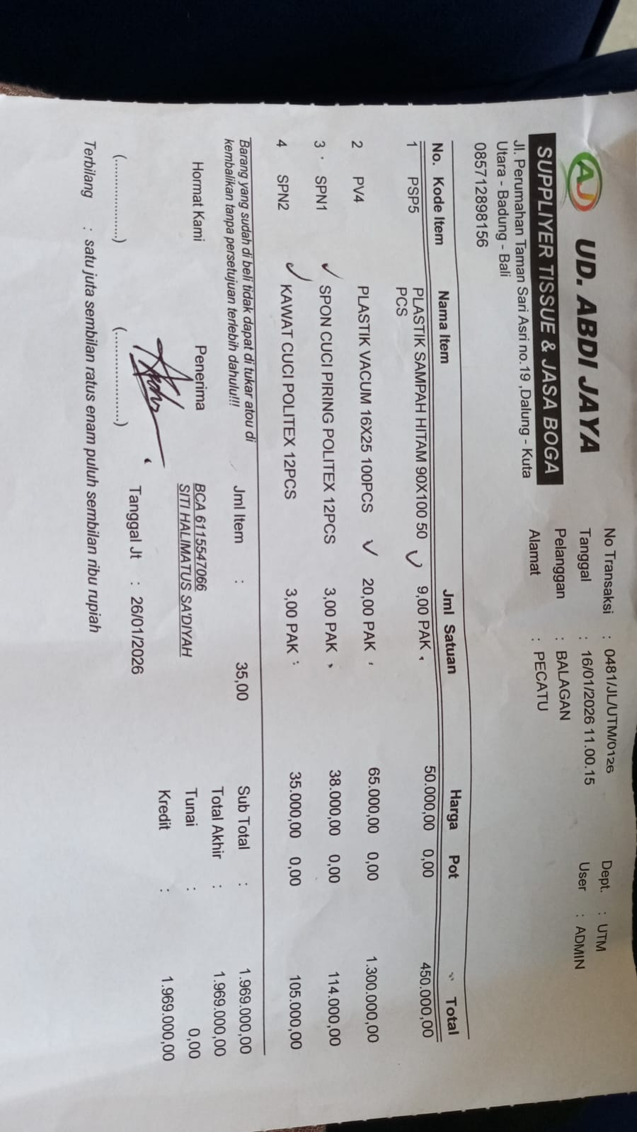 | IDR 50,000 | IDR 450,000 | IDR 1,969,000
 |  | VACCUUM PLASTIC 16X25 100 PCS | 20 |  | IDR 65,000 | IDR 1,300,000
 |  | DISHWASING SPONGE POLITEX 12 PCS | 3 |  | IDR 38,000 | IDR 114,000
 |  | DISHWASHING WIRE POLITEX 12 PCS | 3 |  | IDR 35,000 | IDR 105,000
17-Jan-2026 | 0505/JL/UTM/0126 | PLASTIC WRAP BESTCLING 45 | 10 | 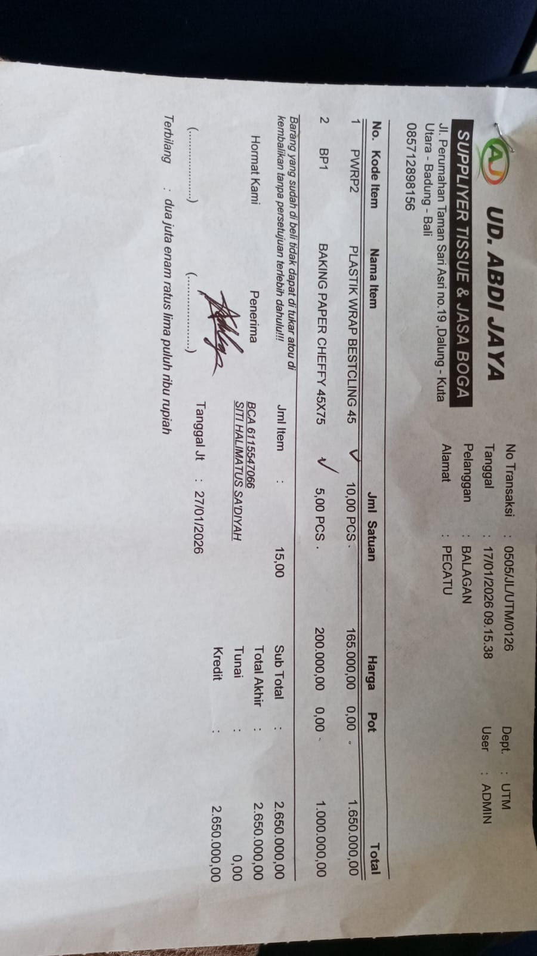 | IDR 165,000 | IDR 1,650,000 | IDR 2,650,000
 |  | BAKING PAPER CHEFFY 45X75 | 5 |  | IDR 200,000 | IDR 1,000,000
22-Jan-2026 | 0635/JL/UTM/0126 | CUP INJECTION 400ML + LID 25 PCS | 20 | 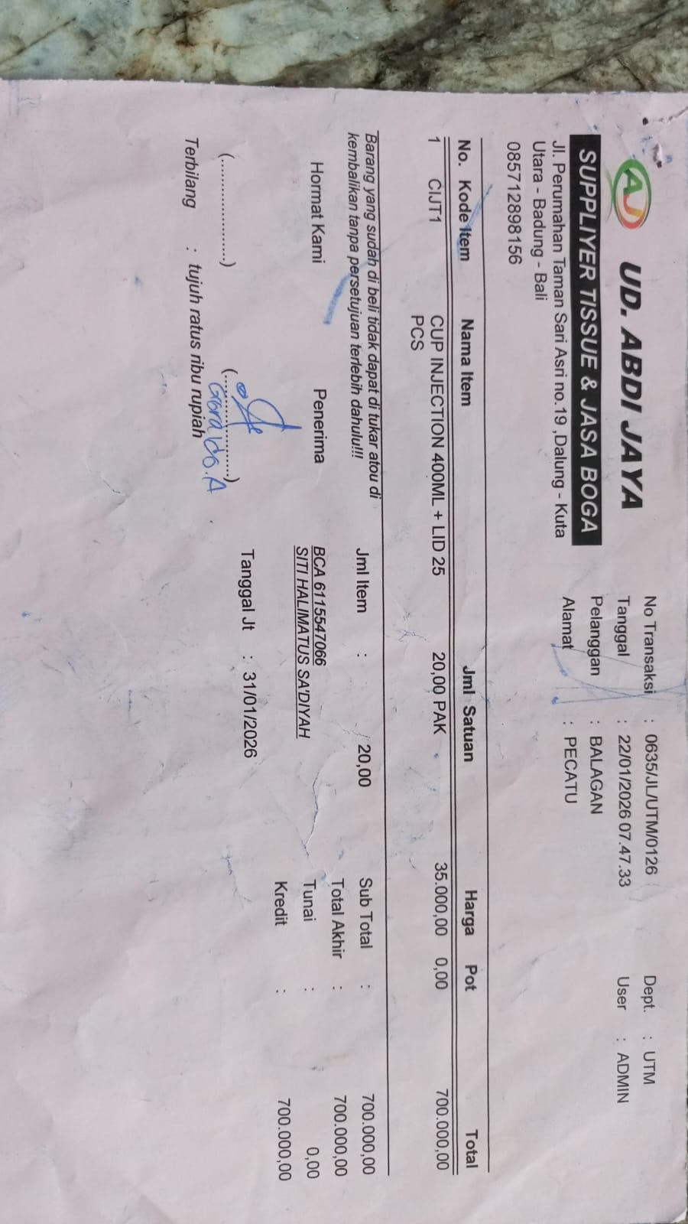 | IDR 35,000 | IDR 700,000 | IDR 700,000
31-Jan-2026 | 0891/JL/UTM/0126 | THERMAL PAPER 80X80 | 1 | 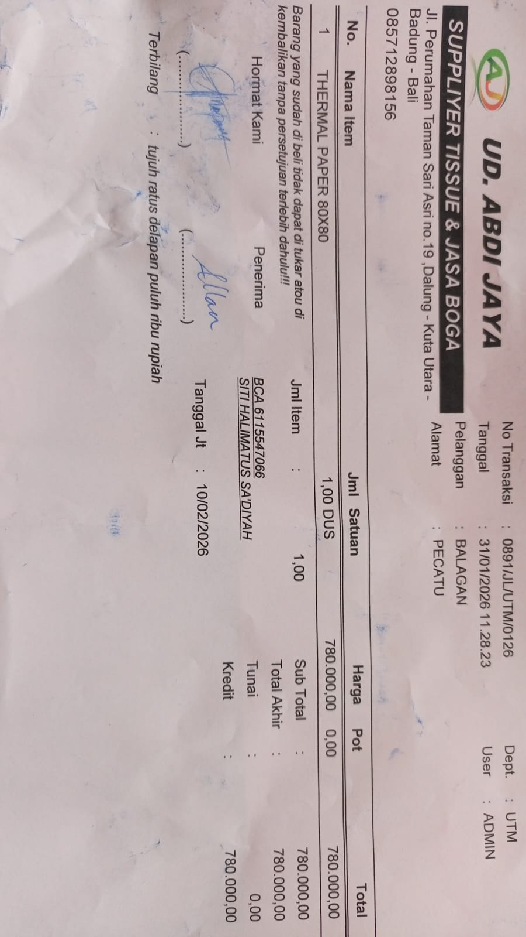 | IDR 780,000 | IDR 780,000 | IDR 780,000
 |  |  |  |  |  | IDR -

 |  |  |  |  |  |  | Rp6,099,000

